Sheet1
Micro-Frontends (Task1) | View (Task1) | FE services (Task 2) | Components (Task 3 ) | ViewModels (Task 3 )
Login + Client Account details | 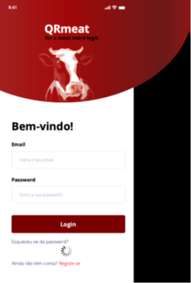 | Do not use LOGIN for nothing more according to the professor

 | 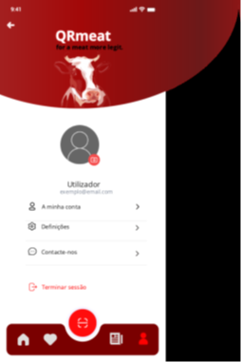

News + Statistics | 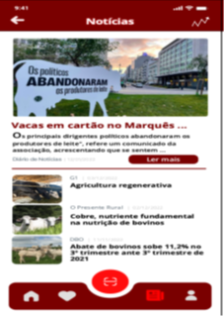 | Read More | Header | props.goBack, props.statistics,propsTitle (We do not need to add the header and the footer in all because is statistical, according with the teacher)

 |  | Routing to the news page

 |  | Statistics button | Main news | props.Figure, propsTitle, propsMainText

 |  | Routing to Statistics page

 |  | Read any other new | News list | props.FiguresList, propsTitleList

 |  | Routing to the selected new page

 |  | Rerouting to previous view | Footer/Menubar | props.goHome, props.favorites, props.clientaccount, props.news

 | 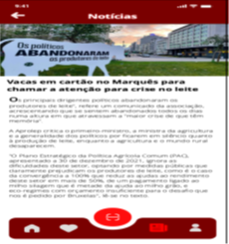 | Rerouting to the news full page | New | propsFigure,propsTitle,propsMainText

 |  | Statistics information | Statistics | props.Title, props.ForEachStatisticalData

 |  | Rerouting to the news full page | MoreStatisticsArrow

Select Supermarket + Categories Products and Highlights | 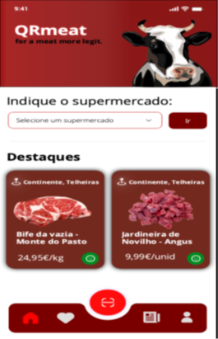 | Select supermarket | Header | propsFigure,propsTitle

 |  | Routing to the selected supermarket
 |  |  | Search supermarket | propsTitle,props.Supermarketlist

 |  | Rerouting to the select supermarket view

 |  |  | Highlights list | propsTitle, props.HighlightsFigures,propsHighlightsNamesofMeats,propsMeatPrice
 |  | Select one Highlight

 |  | Rerouting to the previous view | Footer/Menubar | props.goHome, props.favorites, props.clientaccount, props.news

 | 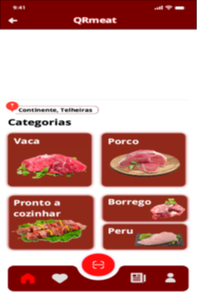 | Select one of the categories | Categories List | props.Title, props.MeatNames,propsMeatFigures

 |  | Rerouting to the categories main page

 |  | Routing to the select supermarket view

See feedback + Expand information | 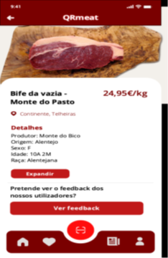

 | 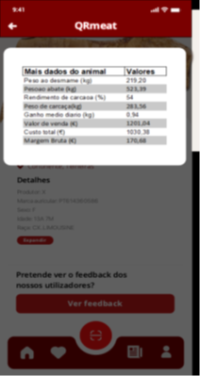

Saved products

